Atmosphere
Greenhouse gases in CO2 | strenght | concentration (ppm) | influence on greenhouse effect | SUM | Tempreture without atmospheric effects (calculated) | 247.19620159
H20 | 0.72 | 18000 | 95.43% | 13580 | Average tempreture measured (without radiation effect) | 300
CO2 | 1 | 360 | 2.65% |  | Solar constant (calculated) | 1365.9872404
CH4 | 20 | 1.7 | 0.25% |  | Greenhouse reflection | 0.79629670832
O3 | 2000 | 0.082 | 1.21%
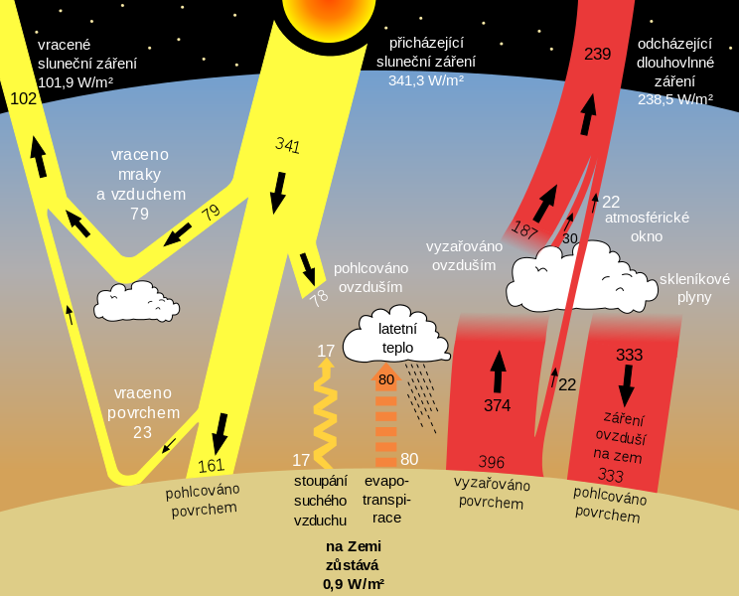
NO2 | 200 | 0.31 | 0.00%
Works only for troposphere!!!
 | Albedo | 0.38

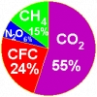

Sun temperature | 5778 | K
Astronomical unit | 149597871000
Bolz. Const | 5.67E-08
Sun radius | 695508000

Temperation regulation
 | Ground temperature approximation |  | All values must be written in decimals!!! |  |  |  | Declanation |  | Height at the moment
 |  |  |  | Real soil temperature | 311.58819278 | K | 23.371816012 |  | 63.19
Month | Day | Time | Latitude | Temperature measured | Soil heat capacity (depends on dignity) |  | Sun height angle
6 | 26 | 15.00 | 38.66 | 320 | 3000 |  | 74.711816012 |  | Energy of m2 for all the time before mesuring
 |  |  | Longtitude |  | Soil density |  |  |  | 10402135.809 | J
 |  |  | 28 |  | 920 |  | Rise-Set time
 |  |  |  |  |  |  | 14.696817359 | h

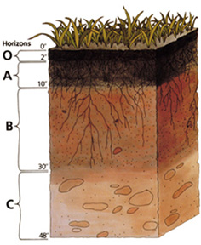
 |  |  |  |  |  |  | Sun rise: |  | Function const
Summer time | YES |  |  |  |  |  | 6.52 | h | 3.7688897858 |  | Interval min | 0.15
Time zone | -1 |  |  |  |  |  | Sun set: |  | 8.4118072159 |  | Interval max | 1
 |  |  |  |  |  |  | 21.22 | h
Local midday | 13.866666667 |  |  |  |  |  |  |  | The depth of the ground in this interval is stable on longer time scales. (It is represented by hypecbolic function, this information may help to the math nerds…)

ČSN 730581

